Analysis_Process
 | Steps | Content | Additional Tips | Tips
1 | 1. Data Understanding: Demonstrate comprehension of the dataset structure and each variable. | The dataset contains 4429 records and 12 columns. Key variables include: 1. "incident_date": Date when the incident occurred 2. "type_of_casualty": All records were "Fatality". 3. "gender": M/F/Unspecified 4. "casualty_personnel_type": Type of personnel (e.g., Military, UNPOL, Civilian) 5. "type_of_incident": Incident nature (e.g., IED, Ambush) 6. "isocode3": Country ISO 3-digit code
2 | 2. Data Cleaning: Document the data quality issues you addressed. | Step 1: Duplicate Check: - Used Conditional Formatting on `casualty_id` and mark them. - Found 6 duplicate IDs with identical info – removed 2 copies Step 2: Missing Values: - Found 150 missing gender values → marked as "Unknown" - 5 rows missing `type_of_incident` → removed due to critical nature Step 3: Final Row Count and ID Reset - After completing data cleaning—including duplicate removal and handling missing values—the final dataset was confirmed to contain **4423 rows** of valid records. -The `id` column was re-generated to reflect a continuous sequence (1, 2, 3, ..., n), ensuring consistency and ease of reference. Deleted rows were excluded from the new sequence. | Step 1: Duplicate Check: Duplicate Casualty IDs with conflicting nationalities: During duplicate check on `casualty_id`, I identified six ids that were identical across all fields except for nationality-related fields: - "casualty_nationality": "Montenegro" vs. "Serbia and Montenegro" - "m49_code" and "isocode3" also differed accordingly. This discrepancy likely stems from changes in geopolitical boundaries over time (e.g., post-2006 Montenegro independence). Action Taken: 1. Retained the row labeled "Montenegro" 2. Deleted the duplicate row labeled "Serbia and Montenegro" 3. This avoids double-counting while ensuring clarity in national-level analysis
 |  |  | Step 2: Missing Values: Action Taken: 1. Blank Cell Identification - Used Excel's Filter feature to locate and inspect blank cells in each relevant column. 2. "Gender" - Found several blank entries in the gender column. - Replaced all missing values with "Unknown". - Highlighted all updated cells with color for traceability. 3. "Type of Incident" - The type_of_incident column already includes "Unknown" as a valid category. - These values were filtered and color-marked, but not altered. 4. Country Codes: "m49_code" and "isocode3" - Identified 52 rows with missing values in either or both fields. - For these, the corresponding casualty_nationality was analyzed: Case Action 1 blank nationality Replaced with "Unknown" and highlighted 6 entries with "TÃ¼rkiye" (encoding issue) Corrected to "Türkiye" and filled m49_code = 792, isocode3 = TUR 29 entries with "CÃ´te dIvoire" (encoding issue) Corrected to "Côte d’Ivoire" and filled m49_code = 384, isocode3 = CIV 1 entry with "Mauritius" Verified as valid; filled m49_code = 480, isocode3 = MUS 1 entry with "Viet Nam" Verified as valid ISO spelling; filled m49_code = 704, isocode3 = VNM
3 | 3. Exploratory Data Analysis: Show my initial insights and observations from the dataset. | 1. Overview - Total Records: 4,423 - Time Range: From 6 July 1948 to 18 February 2025 - Number of Unique Countries: 132 - Number of Unique Missions: 81 - Each row represents a fatality case involving UN personnel across peacekeeping and political missions. 2. Preliminary Insights - The dataset exclusively records fatalities, with the vast majority involving male military personnel. - While natural causes (illness, accidents) are the leading cause, hostile incidents (malicious acts) are also a major threat. - Fatalities span 132 countries and 81 distinct UN missions, reflecting the global scale of risk exposure. - Although female fatalities are rare, their roles and risks should not be overlooked. - The presence of self-inflicted cases points to the importance of mental health support for UN personnel in high-pressure deployments.
4 | 4. Visualization & Explanation: Summarize the key charts I created and their purpose. | 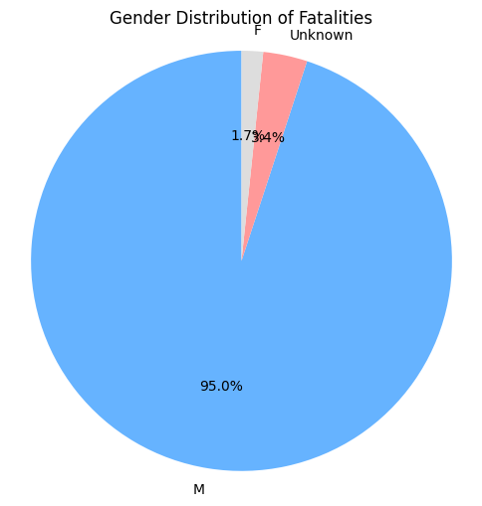 | 1. Gender Distribution (Pie Chart) - The vast majority of fatalities (95%) were male personnel, highlighting the male-dominant nature of UN field missions. - Female fatalities remain rare (~1.6%), likely due to lower deployment rates in high-risk roles.
 |  | 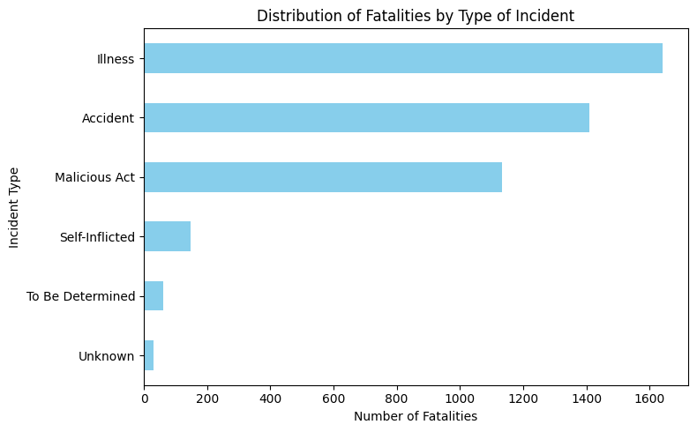 | 2. Fatalities by Type of Incident (Bar Chart) - Illness and accidents combined account for over two-thirds of fatalities, indicating that natural causes remain the leading risk. - Malicious Acts make up over 25%, underscoring the significant threat of intentional violence in mission areas.
 |  | 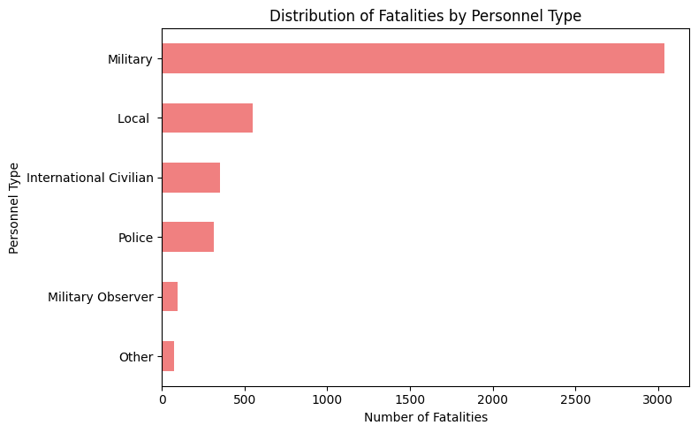 | 3. Fatalities by Personnel Type (Bar Chart) - Military personnel represent the highest fatality group (~68%), reflecting their frequent placement in frontline operations. - Local and international civilian staff also face notable risk, suggesting that non-combat roles are not exempt from danger.
 |  | 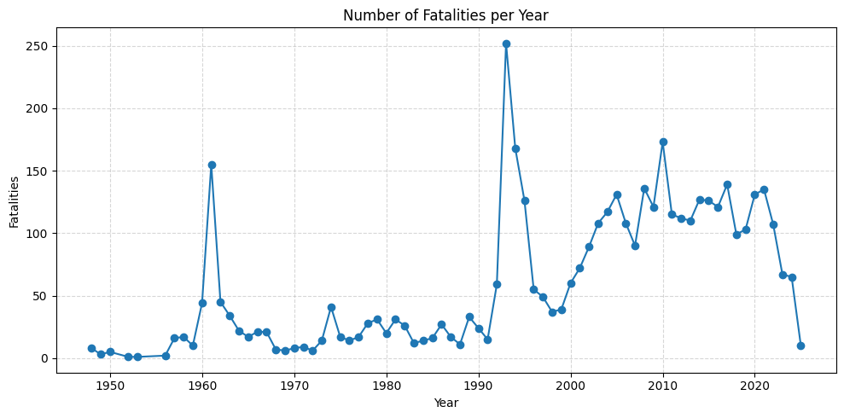 | 4. Fatalities Over Time (Line Chart) - Fatalities have fluctuated over the years, with certain peaks corresponding to specific conflict zones or active missions. - Recent decades continue to show consistent risk exposure, demonstrating the persistent dangers faced by UN personnel.
 |  | 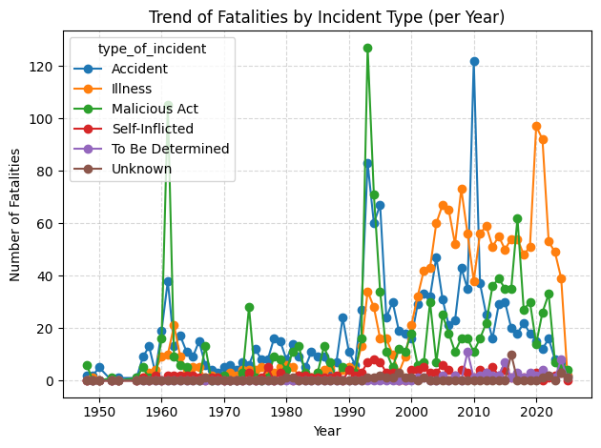 | 5. Trend by Type of Incident Over Time (Multi-line Chart) - Natural causes (illness, accidents) remained dominant throughout, but deaths from malicious acts show spikes in particular years. - This suggests situational increases in security threats depending on the mission or regional context.
 |  | 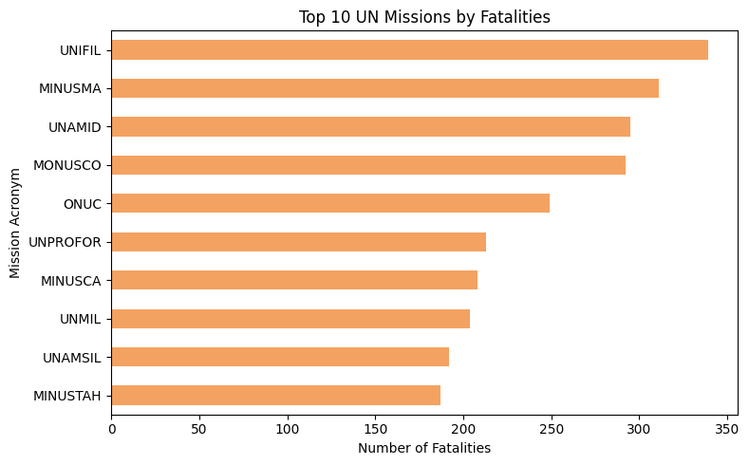 | 6. Top 10 Missions by Fatalities (Bar Chart) - A small number of missions account for a large share of overall fatalities. - This concentration suggests that certain deployments pose disproportionately high risks and may require targeted safety measures.
 |  | 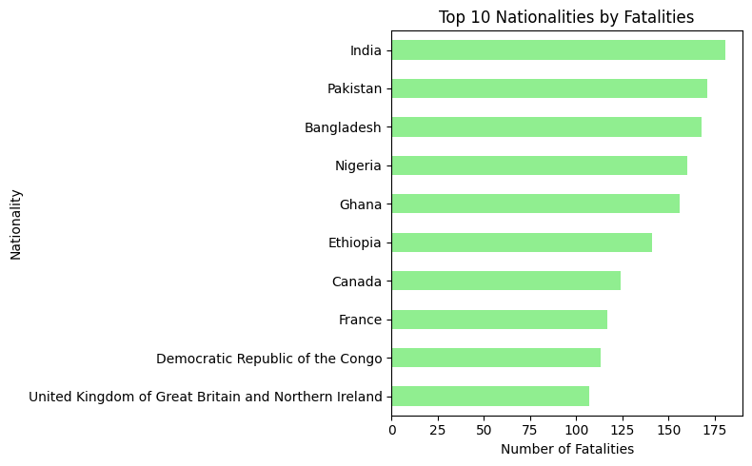 | 7. Top 10 Nationalities by Fatalities (Bar Chart) - Fatalities are not evenly distributed across countries; some contributing nations experience higher losses, likely due to their deployment volume. - This may guide future analysis on equity of risk and country-level contributions.
 |  | 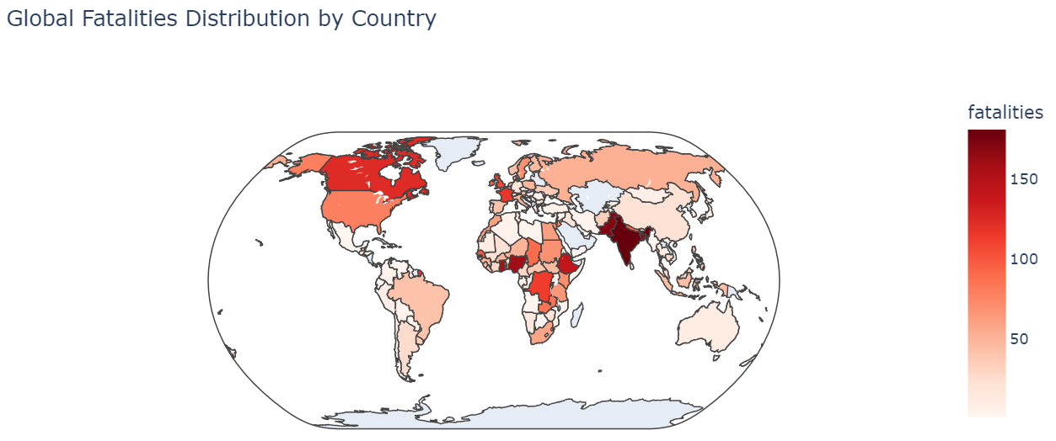 | 8. Global Heatmap by Country (Choropleth Map) - Fatalities are globally widespread, with high-density regions in Africa, the Middle East, and South Asia. - This reflects the global operational footprint of UN missions and varying levels of host-country risk.
5 | 5. Key Insights & Recommendations: Provide data-backed takeaways and, if applicable, suggestions for action.

